Calculators
Renastart Recipe Calculator
Based on a desired dilution and final volume |  |  |  | Based on a desired dilution and number of scoops |  |  |  | Determine a dilution based on amount of scoops and water
Calorie/fl oz needed | 20 | 0.67 | kcal/mL | Calorie/fl oz needed | 30 | 1.00 | kcal/mL | Amount of water, mL | 600 | 20.0 | fl oz
Final Volume, fl oz | 44.0 | 1320 | mL | Number of Renastart scoops | 20 | 140 | g Renastart powder | Number of Renastart scoops | 18 | 126 | g Renastart powder
Total calories | 880 |  |  | Total calories | 692 |  |  | Total calories | 622
Renastart powder, g | 178 | 25 | scoops | Displacement, fl oz | 3.5 | 110 | mL | Displacement, fl oz | 3.1 | 90 | mL
Displacement, fl oz | 4.4 | 130 | mL | Water, fl oz | 19.7 | 590 | mL | Calories per fl oz | 27.1 | 0.90 | kcal/mL
Water, fl oz | 39.7 | 1190 | mL | Approx. final volume, fl oz | 23.1 | 700 | mL | Approx. final volume, fl oz | 23.0 | 690 | mL
Please see the "Preparation Guidelines" tab for household measurements.
Household measurements are based on standard US, dry household measures. All measures are level and unpacked. These values are approximations only and have been provided for convenience: results can vary significantly based on the individual, device, and method. Vitaflo recommends using a gram scale for greatest accuracy. The scoop Vitaflo provides has been validated with Vitaflo products, so is preferable to household measurements.
Fluid ounces are rounded to the nearest 0.1 fl oz. Milliliter volumes rounded to the nearest ten. Scoops are rounded to the nearest scoop. 1 level, unpacked scoop weighs approximately 7g of powder.
Calculations are based on 4.94 kcal/g, and an approximate displacement of 0.74 mL/g.

VIEW PREPARATION GUIDELINES

Preparation Guidelines
Preparation Guidelines
Dosage and Administration
To be determined by the clinician or dietitian and is dependent on age, body weight, and medical condition of the patient.
Renastart is typically mixed with water. Preparation instructions are given by the dietitian or clinician.
The standard dilution of approximately 30 kcal/fl oz or 1 kcal/ml is made by adding 1 level scoop of Renastart (7 g) to 30 ml of water (1 fl oz).
Use the scoop provided in the can or a gram scale for greatest accuracy.
Any prepared feed should be refrigerated and used within 24 hours. Re-shake before use.
Quick Reference Guide
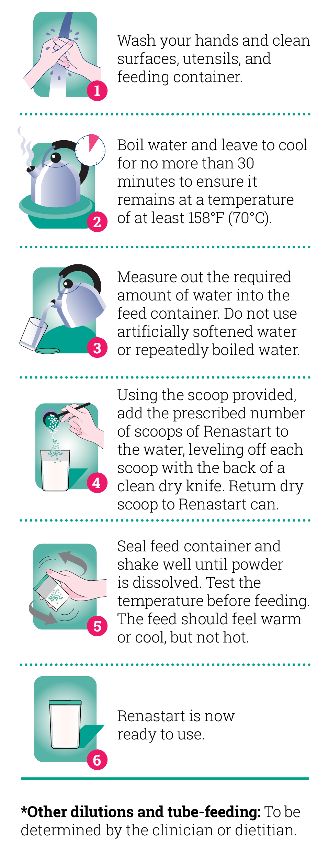
Concentration | Powder grams* | Number of level, unpacked scoops** | Water (ml)*** | Final Volume (ml) | Osmolality m0sm/kg | Potential Renal Solute Load m0sm/L
1.0kcal/ml (30kcal/fl oz) | 200 | 29 | 850 | 1000 | 230 | 125
1.5kcal/ml (45kcal/fl oz) | 300 | 43 | 780 | 1000 | 386 | 189
Rounded to the nearest 10.
Rounded to the nearest scoop: 1 level, unpacked scoop weighs approximately 7 g powder.
Displacement factor of 0.74 ml per gram of powder and rounded to the nearest 10.
2.0kcal/ml (60kcal/fl oz) | 400 | 57 | 700 | 1000 | 582 | 252
*
**
***

Single unit | 400 gram can |  |  | Level, unpacked spoon weights (gram)†
kcal/g of product | 4.94 |  |  | 1 teaspoon | 2.4
g of protein/ g of product | 0.075 |  |  | 1 tablespoon | 7.3
Product yield 1 kcal/ml (30kcal/fl oz) | 1 can (400 g powder) yields / approximately 2 L |  |  | Level, unpacked cup weights (gram)†
 |  |  |  | 1/4 cup | 31
Displacement factors (ml/g) | 0.74 |  |  | 1/3 cup | 40
Scoop weight | 1 level unpacked scoop weighs approximately 7g of product |  |  | 1/2 cup | 58
†Note: All household measurements are for a level unpacked measure taken directly from the can and are approximations provided for convenience: results can vary significantly based on the individual, device, and method. Vitaflo recommends using a gram scale for greatest accuracy. The scoop Vitaflo provides has been validated with Vitaflo products, so is preferable to household measurements.

