Renastart DRI Calculator
DRI Calculator
Instructions: This calculator is for use by healthcare professionals only. In cell B5, enter the amount of calories needed or being provided from Renastart. The percentages of DRIs will change based on calories entered.
Powdered formula of whey protein, carbohydrate, fat, vitamins and minerals, for a diet restricted in protein, calcium, chloride, potassium, phosphorus and vitamin A Suitable from 1 year of age*
Calories needed from formula | 100 | Vitaflo: Innovation in Nutrition
 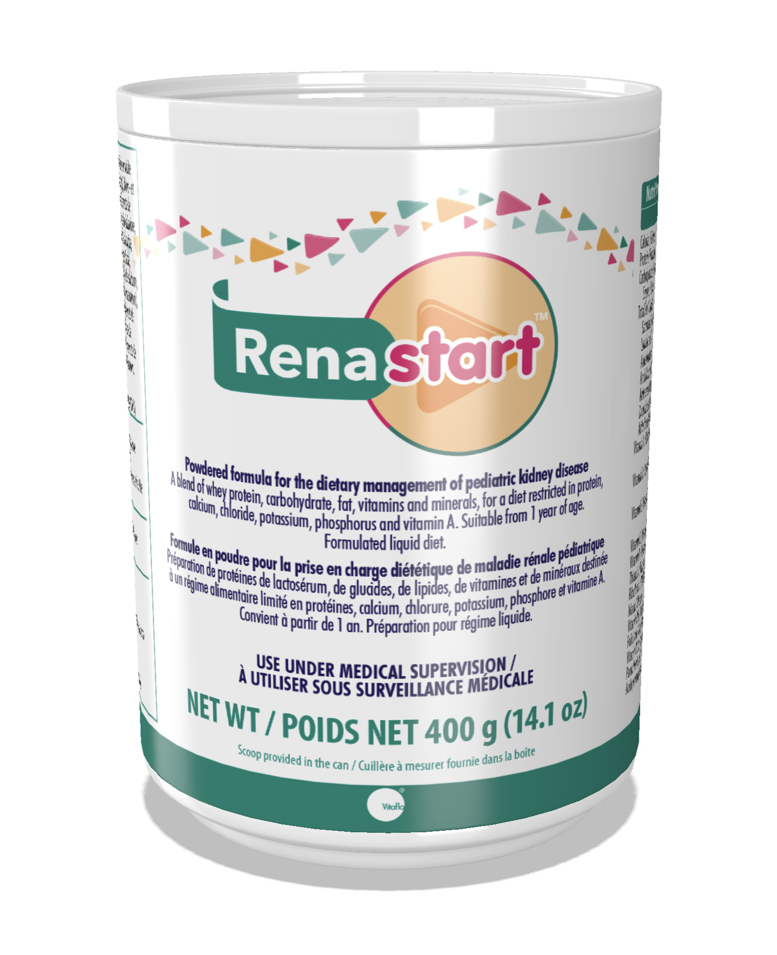 Renastart® DRI Calculator |  | DRI 0-6 months* | % DRI 0-6 months* | DRI 7-12 months* | % DRI 7-12 months* | DRI 1-3 years | % DRI 1-3 years | DRI 4-8 years | % DRI 4-8 years | DRI 9-13 years (M) | % DRI 9-13 years (M) | DRI 9-13 years (F) | % DRI 9-13 years (F) | DRI 14-18 years (M) | % DRI 14-18 years (M) | DRI 14-18 years (F) | % DRI 14-18 years (F) | DRI <19 years Pregnancy | % DRI <19 years Pregnancy | DRI <19 years Lactation | % DRI <19 years Lactation | DRI 19-30 years (M) | % DRI 19-30 years (M) | DRI 19-30 years (F) | % DRI 19-30 years (F) | DRI 19-30 years Pregnancy | % DRI 19-30 years Pregnancy | DRI 19-30 years Lactation | % DRI 19-30 years Lactation | DRI 31-50 years (M) | % DRI 31-50 years (M) | DRI 31-50 years (F) | % DRI 31-50 years (F) | DRI 31-50 years Pregnancy | % DRI 31-50 years Pregnancy | DRI 31-50 years Lactation | % DRI 31-50 years Lactation | DRI 51-70 years (M) | % DRI 51-70 years (M) | DRI 51-70 years (F) | % DRI 51-70 years (F) | DRI >70 years (M) | % DRI >70 years (M) | DRI >70 years (F) | % DRI >70 years (F)
Product, g | 20
Calories | 100
Protein (Equivalent), g | 1.5 | 9.1 | 17% | 11 | 14% | 13 | 12% | 19 | 8% | 34 | 4% | 34 | 4% | 52 | 3% | 46 | 3% | 71 | 2% | 71 | 2% | 56 | 3% | 46 | 3% | 71 | 2% | 71 | 2% | 56 | 3% | 46 | 3% | 71 | 2% | 71 | 2% | 56 | 3% | 46 | 3% | 56 | 3% | 46 | 3%
Fat, g | 4.8 | 31.0 | 15% | 30 | 16%
Carbohydrate, g | 12 | 60.0 | 20% | 95 | 13% | 130 | 9% | 130 | 9% | 130 | 9% | 130 | 9% | 130 | 9% | 130 | 9% | 175 | 7% | 210 | 6% | 130 | 9% | 130 | 9% | 175 | 7% | 210 | 6% | 130 | 9% | 130 | 9% | 175 | 7% | 210 | 6% | 130 | 9% | 130 | 9% | 130 | 9% | 130 | 9%
VITAMINS |  | DRI 0-6 months* | %DRI 0-6 months* | DRI 7-12 months* | %DRI 7-12 months* | DRI 1-3 yo | % DRI 1-3 yo | DRI 4-8 yo | % DRI 4-8 yo | DRI 9-13 yo (M) | % DRI 9-13 yo (M) | DRI 9-13 yo (F) | % DRI 9-13 yo (F) | DRI 14-18 yo (M) | % DRI 14-18 yo (M) | DRI 14-18 yo (F) | % DRI 14-18 yo (F) | DRI <19 yo Pregnant | % DRI <19 yo Pregnant | DRI <19 yo Lactation | % DRI <19 yo Lactation | DRI 19-30 yo (M) | % DRI 19-30 yo (M) | DRI 19-30 yo (F) | % DRI 19-30 yo (F) | DRI 19-30 yo Pregnant | % DRI 19-30 yo Pregnant | DRI 19-30 yo Lactation | % DRI 19-30 yo Lactation | DRI 31-50 yo (M) | % DRI 31-50 yo (M) | DRI 31-50 yo (F) | % DRI 31-50 yo (F) | DRI 31-50 yo Pregnant | % DRI 31-50 yo Pregnant | DRI 31-50 yo Lactation | % DRI 31-50 yo Lactation | DRI 51-70 yo (M) | % DRI 51-70 yo (M) | DRI 51-70 yo (F) | % DRI 51-70 yo (F) | DRI >70 yo (M) | % DRI >70 yo (M) | DRI >70 yo (F) | % DRI >70 yo (F)
Vitamin A, µg RE | 22 | 400.0 | 6% | 500 | 4% | 300 | 7% | 400 | 6% | 600 | 4% | 600 | 4% | 900 | 2% | 700 | 3% | 750 | 3% | 1200 | 2% | 900 | 2% | 700 | 3% | 770 | 3% | 1300 | 2% | 900 | 2% | 700 | 3% | 770 | 3% | 1300 | 2% | 900 | 2% | 700 | 3% | 900 | 2% | 700 | 3%
Vitamin D3, µg | 2.0 | 10.0 | 20% | 10 | 20% | 15 | 13% | 15 | 13% | 15 | 13% | 15 | 13% | 15 | 13% | 15 | 13% | 15 | 13% | 15 | 13% | 15 | 13% | 15 | 13% | 15 | 13% | 15 | 13% | 15 | 13% | 15 | 13% | 15 | 13% | 15 | 13% | 15 | 13% | 15 | 13% | 20 | 10% | 20 | 10%
Vitamin E, mg α-TE | 1.0 | 4.0 | 24% | 5 | 19% | 6 | 16% | 7 | 14% | 11 | 9% | 11 | 9% | 15 | 6% | 15 | 6% | 15 | 6% | 19 | 5% | 15 | 6% | 15 | 6% | 15 | 6% | 19 | 5% | 15 | 6% | 15 | 6% | 15 | 6% | 19 | 5% | 15 | 6% | 15 | 6% | 15 | 6% | 15 | 6%
Vitamin K, µg | 5.2 | 2.0 | 260% | 2.5 | 208% | 30 | 17% | 55 | 9% | 60 | 9% | 60 | 9% | 75 | 7% | 75 | 7% | 75 | 7% | 75 | 7% | 120 | 4% | 90 | 6% | 90 | 6% | 90 | 6% | 120 | 4% | 90 | 6% | 90 | 6% | 90 | 6% | 120 | 4% | 90 | 6% | 120 | 4% | 90 | 6%
Thiamin B1, mg | 0.06 | 0.2 | 30% | 0.3 | 20% | 0.5 | 12% | 0.6 | 10% | 0.9 | 7% | 0.9 | 7% | 1.2 | 5% | 1 | 6% | 1.4 | 4% | 1.4 | 4% | 1.2 | 5% | 1.1 | 5% | 1.4 | 4% | 1.4 | 4% | 1.2 | 5% | 1.1 | 5% | 1.4 | 4% | 1.4 | 4% | 1.2 | 5% | 1.1 | 5% | 1.2 | 5% | 1.1 | 5%
Riboflavin B2, mg | 0.09 | 0.3 | 30% | 0.4 | 22% | 0.5 | 18% | 0.6 | 15% | 0.9 | 10% | 0.9 | 10% | 1.3 | 7% | 1 | 9% | 1.4 | 6% | 1.6 | 6% | 1.3 | 7% | 1.1 | 8% | 1.4 | 6% | 1.6 | 6% | 1.3 | 7% | 1.1 | 8% | 1.4 | 6% | 1.6 | 6% | 1.3 | 7% | 1.1 | 8% | 1.3 | 7% | 1.1 | 8%
Vitamin B6, mg | 0.10 | 0.1 | 100% | 0.3 | 33% | 0.5 | 20% | 0.6 | 17% | 1.0 | 10% | 1.0 | 10% | 1.3 | 8% | 1.2 | 8% | 1.9 | 5% | 2.0 | 5% | 1.3 | 8% | 1.3 | 8% | 1.9 | 5% | 2.0 | 5% | 1.3 | 8% | 1.3 | 8% | 1.9 | 5% | 2.0 | 5% | 1.7 | 6% | 1.5 | 7% | 1.7 | 6% | 1.5 | 7%
Vitamin B12, µg | 0.18 | 0.4 | 44% | 0.5 | 36% | 0.9 | 20% | 1.2 | 15% | 1.8 | 10% | 1.8 | 10% | 2.4 | 7% | 2.4 | 7% | 2.6 | 7% | 2.8 | 6% | 2.4 | 7% | 2.4 | 7% | 2.6 | 7% | 2.8 | 6% | 2.4 | 7% | 2.4 | 7% | 2.6 | 7% | 2.8 | 6% | 2.4 | 7% | 2.4 | 7% | 2.4 | 7% | 2.4 | 7%
Niacin B3, mg | 0.72 | 2.0 | 36% | 4 | 18% | 6 | 12% | 8 | 9% | 12 | 6% | 12 | 6% | 16 | 5% | 14 | 5% | 18 | 4% | 17 | 4% | 16 | 5% | 14 | 5% | 18 | 4% | 17 | 4% | 16 | 5% | 14 | 5% | 18 | 4% | 17 | 4% | 16 | 5% | 14 | 5% | 16 | 5% | 14 | 5%
Folic Acid, µg | 14 | 65.0 | 22% | 80 | 18% | 150 | 9% | 200 | 7% | 300 | 5% | 300 | 5% | 400 | 4% | 400 | 4% | 600 | 2% | 500 | 3% | 400 | 4% | 400 | 4% | 600 | 2% | 500 | 3% | 400 | 4% | 400 | 4% | 600 | 2% | 500 | 3% | 400 | 4% | 400 | 4% | 400 | 4% | 400 | 4%
Pantothenic Acid B5, mg | 0.44 | 1.7 | 26% | 1.8 | 24% | 2 | 22% | 3 | 15% | 4 | 11% | 4 | 11% | 5 | 9% | 5 | 9% | 6 | 7% | 7 | 6% | 5 | 9% | 5 | 9% | 6 | 7% | 7 | 6% | 5 | 9% | 5 | 9% | 6 | 7% | 7 | 6% | 5 | 9% | 5 | 9% | 5 | 9% | 5 | 9%
Biotin, µg | 3.8 | 5.0 | 76% | 6 | 63% | 8 | 48% | 12 | 32% | 20 | 19% | 20 | 19% | 25 | 15% | 25 | 15% | 30 | 13% | 35 | 11% | 30 | 13% | 30 | 13% | 30 | 13% | 35 | 11% | 30 | 13% | 30 | 13% | 30 | 13% | 35 | 11% | 30 | 13% | 30 | 13% | 30 | 13% | 30 | 13%
Vitamin C, mg | 13 | 40.0 | 33% | 50 | 26% | 15 | 87% | 25 | 52% | 45 | 29% | 45 | 29% | 75 | 17% | 65 | 20% | 80 | 16% | 115 | 11% | 90 | 14% | 75 | 17% | 85 | 15% | 120 | 11% | 90 | 14% | 75 | 17% | 85 | 15% | 120 | 11% | 90 | 14% | 425 | 3% | 90 | 14% | 75 | 17%
Choline, mg | 28 | 125.0 | 23% | 150 | 19% | 200 | 14% | 250 | 11% | 375 | 8% | 375 | 8% | 550 | 5% | 400 | 7% | 450 | 6% | 550 | 5% | 550 | 5% | 425 | 7% | 450 | 6% | 550 | 5% | 550 | 5% | 425 | 7% | 450 | 6% | 550 | 5% | 550 | 5% | 425 | 7% | 550 | 5% | 425 | 7%
Inositol, mg | 5.2 | N/A |  | N/A |  | N/A |  | N/A |  | N/A |  | N/A |  | N/A |  | N/A |  | N/A |  | N/A |  | N/A |  | N/A |  | N/A |  | N/A |  | N/A |  | N/A |  | N/A |  | N/A |  | N/A |  | N/A |  | N/A |  | N/A
MINERALS |  | DRI 0-6 months* | %DRI 0-6 months* | DRI 7-12 months* | %DRI 7-12 months* | DRI 1-3 yo | % DRI 1-3 yo | DRI 4-8 yo | % DRI 4-8 yo | DRI 9-13 yo (M) | % DRI 9-13 yo (M) | DRI 9-13 yo (F) | % DRI 9-13 yo (F) | DRI 14-18 yo (M) | % DRI 14-18 yo (M) | DRI 14-18 yo (F) | % DRI 14-18 yo (F) | DRI <19 yo Pregnant | % DRI <19 yo Pregnant | DRI <19 yo Lactation | % DRI <19 yo Lactation | DRI 19-30 yo (M) | % DRI 19-30 yo (M) | DRI 19-30 yo (F) | % DRI 19-30 yo (F) | DRI 19-30 yo Pregnant | % DRI 19-30 yo Pregnant | DRI 19-30 yo Lactation | % DRI 19-30 yo Lactation | DRI 31-50 yo (M) | % DRI 31-50 yo (M) | DRI 31-50 yo (F) | % DRI 31-50 yo (F) | DRI 31-50 yo Pregnant | % DRI 31-50 yo Pregnant | DRI 31-50 yo Lactation | % DRI 31-50 yo Lactation | DRI 51-70 yo (M) | % DRI 51-70 yo (M) | DRI 51-70 yo (F) | % DRI 51-70 yo (F) | DRI >70 yo (M) | % DRI >70 yo (M) | DRI >70 yo (F) | % DRI >70 yo (F)
Calcium, mg | 20 | 200.0 | 10% | 260 | 8% | 700 | 3% | 1000 | 2% | 1300 | 2% | 1300 | 2% | 1300 | 2% | 1300 | 2% | 1300 | 2% | 1300 | 2% | 1000 | 2% | 1000 | 2% | 1000 | 2% | 1000 | 2% | 1000 | 2% | 1000 | 2% | 1000 | 2% | 1000 | 2% | 1000 | 2% | 1200 | 2% | 1200 | 2% | 1200 | 2%
Phosphorus, mg | 17 | 100.0 | 17% | 275 | 6% | 460 | 4% | 500 | 3% | 1250 | 1% | 1250 | 1% | 1250 | 1% | 1250 | 1% | 1250 | 1% | 1250 | 1% | 700 | 2% | 700 | 2% | 700 | 2% | 700 | 2% | 700 | 2% | 700 | 2% | 700 | 2% | 700 | 2% | 700 | 2% | 700 | 2% | 700 | 2% | 700 | 2%
Magnesium, mg | 7.0 | 30.0 | 23% | 75 | 9% | 80 | 9% | 130 | 5% | 240 | 3% | 240 | 3% | 410 | 2% | 360 | 2% | 400 | 2% | 360 | 2% | 400 | 2% | 310 | 2% | 350 | 2% | 310 | 2% | 420 | 2% | 320 | 2% | 360 | 2% | 320 | 2% | 420 | 2% | 320 | 2% | 420 | 2% | 320 | 2%
Iron, mg | 0.90 | 0.27 | 333% | 11 | 8% | 7 | 13% | 10 | 9% | 8 | 11% | 8 | 11% | 11 | 8% | 15 | 6% | 27 | 3% | 10 | 9% | 8 | 11% | 18 | 5% | 27 | 3% | 9 | 10% | 8 | 11% | 18 | 5% | 27 | 3% | 9 | 10% | 8 | 11% | 8 | 11% | 8 | 11% | 8 | 11%
Zinc, mg | 0.78 | 2.0 | 39% | 3 | 26% | 3 | 26% | 5 | 16% | 8 | 10% | 8 | 10% | 11 | 7% | 9 | 9% | 12 | 7% | 14 | 6% | 11 | 7% | 8 | 10% | 11 | 7% | 12 | 7% | 11 | 7% | 8 | 10% | 11 | 7% | 12 | 7% | 11 | 7% | 8 | 10% | 11 | 7% | 8 | 10%
Manganese, mg | 0.01 | 0.003 | 333% | 0.6 | 2% | 1.2 | 1% | 1.5 | 1% | 1.9 | 1% | 1.6 | 1% | 2.2 | 0% | 1.6 | 1% | 2.0 | 1% | 2.6 | 0% | 2.3 | 0% | 1.8 | 1% | 2.0 | 1% | 2.6 | 0% | 2.3 | 0% | 1.8 | 1% | 2.0 | 1% | 2.6 | 0% | 2.3 | 0% | 1.8 | 1% | 2.3 | 0% | 1.8 | 1%
Copper, µg | 0.07 | 200.0 | 0% | 220 | 0% | 340 | 0% | 440 | 0% | 700 | 0% | 700 | 0% | 890 | 0% | 890 | 0% | 1000 | 0% | 1300 | 0% | 900 | 0% | 900 | 0% | 1000 | 0% | 1300 | 0% | 900 | 0% | 900 | 0% | 1000 | 0% | 1300 | 0% | 900 | 0% | 900 | 0% | 900 | 0% | 900 | 0%
Iodine, µg | 17 | 110.0 | 16% | 130 | 13% | 90 | 19% | 90 | 19% | 120 | 14% | 120 | 14% | 150 | 11% | 150 | 11% | 220 | 8% | 290 | 6% | 150 | 11% | 150 | 11% | 220 | 8% | 290 | 6% | 150 | 11% | 150 | 11% | 220 | 8% | 290 | 6% | 150 | 11% | 150 | 11% | 150 | 11% | 150 | 11%
Molybdenum, µg | 1.4 | 2.0 | 70% | 3 | 47% | 17 | 8% | 22 | 6% | 34 | 4% | 34 | 4% | 43 | 3% | 43 | 3% | 50 | 3% | 50 | 3% | 45 | 3% | 45 | 3% | 50 | 3% | 50 | 3% | 45 | 3% | 45 | 3% | 50 | 3% | 50 | 3% | 45 | 3% | 45 | 3% | 45 | 3% | 45 | 3%
Chromium, µg | 1.7 | 0.2 | 850% | 5.5 | 31% | 11 | 15% | 15 | 11% | 25 | 7% | 21 | 8% | 35 | 5% | 24 | 7% | 29 | 6% | 44 | 4% | 35 | 5% | 25 | 7% | 30 | 6% | 45 | 4% | 35 | 5% | 25 | 7% | 30 | 6% | 45 | 4% | 30 | 6% | 20 | 8% | 30 | 6% | 20 | 8%
Selenium, µg | 3.4 | 15.0 | 23% | 20 | 17% | 20 | 17% | 30 | 11% | 40 | 8% | 40 | 8% | 55 | 6% | 55 | 6% | 60 | 6% | 70 | 5% | 55 | 6% | 55 | 6% | 60 | 6% | 70 | 5% | 55 | 6% | 55 | 6% | 60 | 6% | 70 | 5% | 55 | 6% | 55 | 6% | 55 | 6% | 55 | 6%
Sodium, mg | 42 | 110.0 | 38% | 370 | 11% | 800 | 5% | 1000 | 4% | 1200 | 4% | 1200 | 4% | 1500 | 3% | 1500 | 3% | 1500 | 3% | 1500 | 3% | 1500 | 3% | 1500 | 3% | 1500 | 3% | 1500 | 3% | 1500 | 3% | 1500 | 3% | 1500 | 3% | 1500 | 3% | 1500 | 3% | 1500 | 3% | 1500 | 3% | 1500 | 3%
Potassium, mg | 19 | 400.0 | 5% | 860 | 2% | 2000 | 1% | 2300 | 1% | 2500 | 1% | 2300 | 1% | 3000 | 1% | 2300 | 1% | 2600 | 1% | 2500 | 1% | 3400 | 1% | 2600 | 1% | 2900 | 1% | 2800 | 1% | 3400 | 1% | 2600 | 1% | 2900 | 1% | 2800 | 1% | 3400 | 1% | 2600 | 1% | 3400 | 1% | 2600 | 1%
Chloride, mg | 16 | 180.0 | 9% | 570 | 3% | 1500 | 1% | 1900 | 1% | 2300 | 1% | 2300 | 1% | 2300 | 1% | 2300 | 1% | 2300 | 1% | 2300 | 1% | 2300 | 1% | 2300 | 1% | 2300 | 1% | 2300 | 1% | 2300 | 1% | 2300 | 1% | 2300 | 1% | 2300 | 1% | 3000 | 1% | 2000 | 1% | 1800 | 1% | 1800 | 1%

